Simple Arithmetic Mean
 | Formula

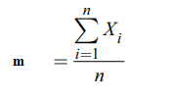

Example 1:
a.) | What is the arthmetic mean of the employee salaries?
 | Xi
 | 640
 | 800
 | 860
 | 980
 | 1120
 | 1160
 | 1560
 | 1680

b.) | What is the arthmetic mean of the even number employee salaries above?

Example 2:
 | What is the arithmetic mean? Does it reflect the average correctly?
 | Xi = 200 300 400 500 600 8.000

Frequency - Arithmetic Mean
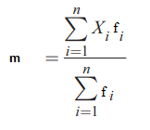

Example 3: | What is the arithemtic mean of the below serie?

 | Xi | fi
 | 10 | 1
 | 20 | 2
 | 30 | 4
 | 40 | 2
 | 50 | 1

Example 4: | What is the arithmetic mean of the below serie?

 | Xi: 10,20,25,35,45,55
 | Fi: 3,5,7,3,5,8

Example 5: | Create Xi by beginning 3 and add up by 2; n = 10
 | Xi frequencies: numbers that can be divided by 3 is 2, can not be divided by 3 is 4.
 | What is the arithmetic mean?

Various Samples
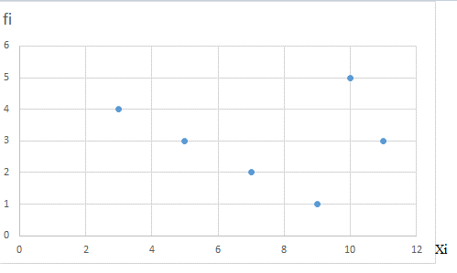
 | First save the necessary ones from the randbetween formula
1.) | What is the arithmetic mean?
 | 130 | 97 | 86 | 146 | 107 | 74 | 122 | 107 | 127 | 101

2.) | What is the arithmetic mean?
 | Xi | Fi
 | 79 | 7
 | 47 | 9
 | 68 | 4
 | 22 | 8
 | 65 | 7
 | 70 | 5
 | 79 | 1
 | 52 | 2

3.) | What is the arithmetic mean?
 | Xi | Fi
 | 25 | 8
 | 53 | 7
 | 27 | 9
 | 14 | 2
 | 10 | 8
 | 58 | 3
 | 62 | 7
 | 31 | 2

4.) | Create Xi by beginning 4 and add up by 1; n = 30
 | Xi frequencies: numbers that are even 2, that are odd by 3.
 | What is the arithmetic mean?

5.) | What is the arithmetic mean?
 | Groups | fi
 | 50-65 | 18
 | 65-80 | 12
 | 80-100 | 14
 | 100-125 | 14
 | 125-150 | 14

6.) Prove 3 properties of Arithmetic means for Xi: 10,11,31,61

7.) Prove 3 properties of Arithmetic means for Xi: 8,50,60,70,100,110,300

8.) Prove 3 properties of Arithmetic means for:
 | Xi | fi
 | 3 | 3
 | 5 | 1
 | 7 | 2
 | 9 | 1
 | 12 | 4

9.) Prove 3 properties of Arithmetic means for:
 | Xi | fi
 | 2 | 1
 | 4 | 2
 | 6 | 3
 | 8 | 4
 | 10 | 5

10.) Calculate arithmetic mean for this scatter diagram

